Consumption metric inputs
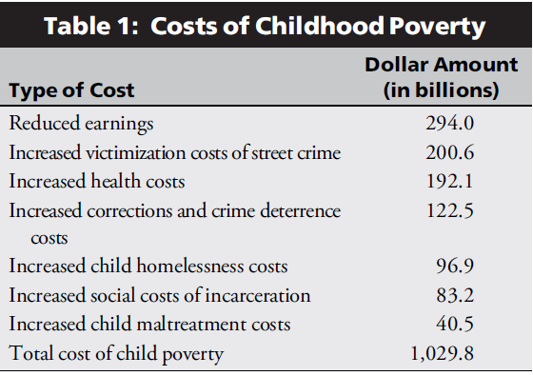
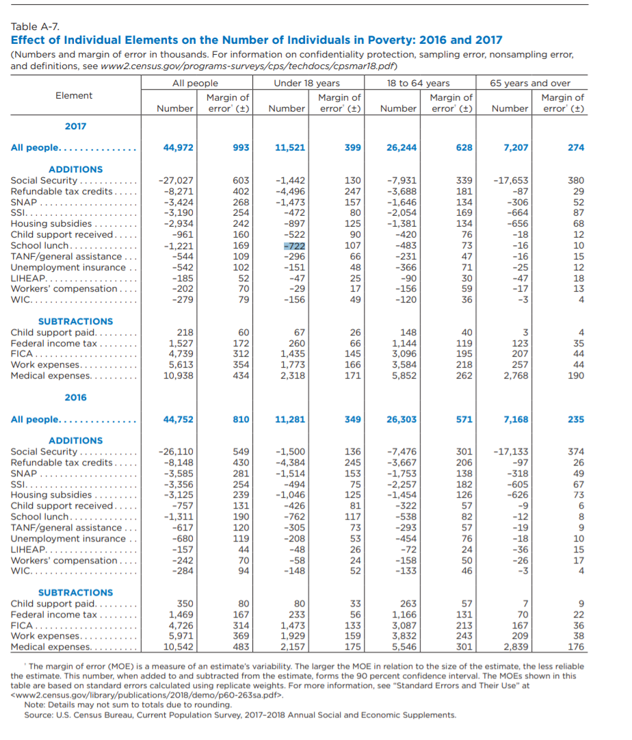
Consumption inputs |  |  |  |  | AHA Dietary Scores for Children by Setting
Impact area | Metric | Metric | Estimate | Link | Setting | AHA score | Energy Intake | Link
Human health | Dietary NCDs | Percent of adult diet attributable to childhood diet | 35% | https://journals.plos.org/plosone/article?id=10.1371/journal.pone.0200378 | Grocery Stores | 34.3 | 64.6% | https://jamanetwork.com/journals/jamanetworkopen/fullarticle/2778453
 | Dietary NCDs | Percentage of energy intake from schools for children age 5 to 19 | 8.7% | https://jamanetwork.com/journals/jamanetworkopen/fullarticle/2778453 | Restaurants | 26.1 | 20.3% | https://jamanetwork.com/journals/jamanetworkopen/fullarticle/2778453
 | Dietary NCDs | AHA dietary score for children 5-19 from grocery stores, restaurants, and other sources | 30.2 | https://jamanetwork.com/journals/jamanetworkopen/fullarticle/2778453 | Schools | 39.5 | 6.9% | https://jamanetwork.com/journals/jamanetworkopen/fullarticle/2778453
 | Dietary NCDs | AHA dietary score for children 5-19 from schools | 39.5 | https://jamanetwork.com/journals/jamanetworkopen/fullarticle/2778453 | Other sources | 33.1 | 8.2% | https://jamanetwork.com/journals/jamanetworkopen/fullarticle/2778453
 | Dietary NCDs | Percentage difference (improvement in gap between current and optimal diet) | 19% | https://jamanetwork.com/journals/jamanetworkopen/fullarticle/2778453
 | Dietary NCDs | HEI dietary score for children 5-19 from grocery stores (alternate) | 47.5 | https://jamanetwork.com/journals/jamanetworkopen/fullarticle/2778453
 | Dietary NCDs | HEI dietary score for children 5-19 from schools (alternate) | 51.6 | https://jamanetwork.com/journals/jamanetworkopen/fullarticle/2778453
 | Dietary NCDs | Percentage difference (alternate) | 9% | https://jamanetwork.com/journals/jamanetworkopen/fullarticle/2778453
Poverty Alleviation | Childhood poverty alleviation | Annual cost of childhood poverty from reduced earnings | $294.00 | https://source.wustl.edu/2018/04/childhood-poverty-cost-u-s-1-03-trillion-in-a-year-study-finds/
Poverty Alleviation | Childhood poverty alleviation | Annual cost of childhood poverty from increased victimization of street crime | $200.60 | https://source.wustl.edu/2018/04/childhood-poverty-cost-u-s-1-03-trillion-in-a-year-study-finds/
Poverty Alleviation | Childhood poverty alleviation | Annual cost of childhood poverty from increased health costs | $192.10 | https://source.wustl.edu/2018/04/childhood-poverty-cost-u-s-1-03-trillion-in-a-year-study-finds/
Poverty Alleviation | Childhood poverty alleviation | Annual cost of childhood poverty from increased corrections and crime deterrence costs | $122.50 | https://source.wustl.edu/2018/04/childhood-poverty-cost-u-s-1-03-trillion-in-a-year-study-finds/
Poverty Alleviation | Childhood poverty alleviation | Annual cost of childhood poverty from increased child homelessness costs | $96.90 | https://source.wustl.edu/2018/04/childhood-poverty-cost-u-s-1-03-trillion-in-a-year-study-finds/
Poverty Alleviation | Childhood poverty alleviation | Annual cost of childhood poverty from incarceration | $83.20 | https://source.wustl.edu/2018/04/childhood-poverty-cost-u-s-1-03-trillion-in-a-year-study-finds/
Poverty Alleviation | Childhood poverty alleviation | Annual cost of childhood poverty from child maltreatment costs | $40.50 | https://source.wustl.edu/2018/04/childhood-poverty-cost-u-s-1-03-trillion-in-a-year-study-finds/
Poverty Alleviation | Childhood poverty alleviation | Annual cost of childhood poverty | $1,029.80 | https://source.wustl.edu/2018/04/childhood-poverty-cost-u-s-1-03-trillion-in-a-year-study-finds/
Poverty Alleviation | Childhood poverty alleviation | Number of poor children in US | 10,460,000 | https://econofact.org/child-poverty-in-the-u-s#:~:text=The%20Facts%3A,the%20official%20U.S%20poverty%20rate.
Poverty Alleviation | Childhood poverty alleviation | Annual cost of poverty per child | $98,451.24
Poverty Alleviation | Childhood poverty alleviation | Children < 18 lifted out of poverty attributable to school lunches | 722,000 | https://www.census.gov/content/dam/Census/library/publications/2018/demo/p60-265.pdf
Poverty Alleviation | Childhood poverty alleviation | Benefit of child poverty alleviation attributable to school lunches | $71.08
Poverty Alleviation | Childhood poverty alleviation | NSLP average daily participation (mn) | 29.60 | https://schoolnutrition.org/aboutschoolmeals/schoolmealtrendsstats/
Poverty Alleviation | Childhood poverty alleviation | SBP average daily participation (mn) | 14.77 | https://schoolnutrition.org/aboutschoolmeals/schoolmealtrendsstats/
Poverty Alleviation | Childhood poverty alleviation | Percentage difference in participation rates between SBP and NSLP | 50%
Poverty Alleviation | Childhood poverty alleviation | Benefit of child poverty alleviation attributable to school breakfast | $35.61
Poverty Alleviation | Childhood poverty alleviation | Benefit of child poverty alleviation attributable to school meals | $106.69
Poverty Alleviation | Adult poverty alleviation | Number of adults (18+) lifted out of poverty attributable to school lunches | 499,000 | https://www.census.gov/content/dam/Census/library/publications/2018/demo/p60-265.pdf
Poverty Alleviation | Adult poverty alleviation | Percentage difference in participation rates between SBP and NSLP | 50%
Poverty Alleviation | Adult poverty alleviation | Adults alleviated from poverty from SBP | 250,006
Poverty Alleviation | Adult poverty alleviation | Total adults alleviated from school meals | 749,006
Poverty Alleviation | Adult poverty alleviation | Number of adults living below the poverty line | 34,000,000 | https://www.census.gov/library/publications/2019/demo/p60-266.html
Poverty Alleviation | Adult poverty alleviation | Percent of adults alleviated | 2%
Poverty Alleviation | Adult poverty alleviation | Cost of food insecurity from main report (bn) | 160
Poverty Alleviation | Adult poverty alleviation | Benefit of adult poverty alleviation attributable to school meals | $3.52

L2Health Benefits
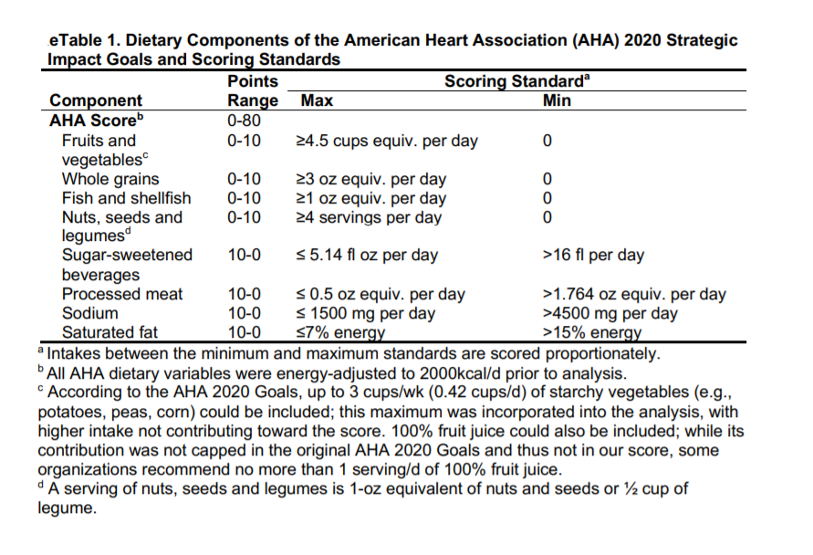
Comparing food in school meals with a healthy Mediterranean diet

Difference between school meals and healthy med diet | 85%

Difference between school meals and nutritional guidelines

Diet | AHA diet score | Difference to optimal diet | Source | Link
Food in schools | 39.5 | 40.5 | Liu et al | https://jamanetwork.com/journals/jamanetworkopen/fullarticle/2752819#:~:text=The%20total%20healthy%20diet%20score,than%2056.9%20(Table%201).
Healthy Mediterranean Diet from DGA | 73.76 | 6.2420886076
Percent difference | 87% | 85% | Calculation

Comparing Healthy Med Diet to AHA 2020 Strategic Impact Goals and Scoring Standards

AHA Score Component | Healthy Med Diet component | Unit per day | Unit | AHA Score | Out of | Percent of perfect score
Fruits and vegetables | Fruits and vegetables (dark green veg, red and orange veg, starchy vegetables, other vegetables) (does not include peas, lentils, and soybeans) | 4.79 | Cup equiv / day | 10 | 10 | 100%
Whole grains | Whole grains (not including refined grains) | 3 | oz equiv / day | 10 | 10 | 100%
Fish and shellfish | Seafood (calculated from 15 oz / week) | 2.14 | oz equiv / day | 10 | 10 | 100%
Nuts, seeds, and legumes | Assumed to follow guidelines |  |  | 10 | 10 | 100%
Sugar-sweetened beverages | Assumed to follow guidelines |  |  | 10 | 10 | 100%
Processed meat | Meat, poultry, eggs (calculated based on 15% of all meat) | 0.98 | oz equiv / day | 3.8 | 10 | 38%
Sodium | Assumed to follow guidelines |  |  | 10 | 10 | 100%
Saturated fat | Assumed to follow guidelines |  |  | 10 | 10 | 100%
 |  |  | Total AHA Score for Healty Med Diet | 73.8 | 80 | 92%

AHA 2020 Strategic Impact Goals and Scoring Standards

